Agile flow
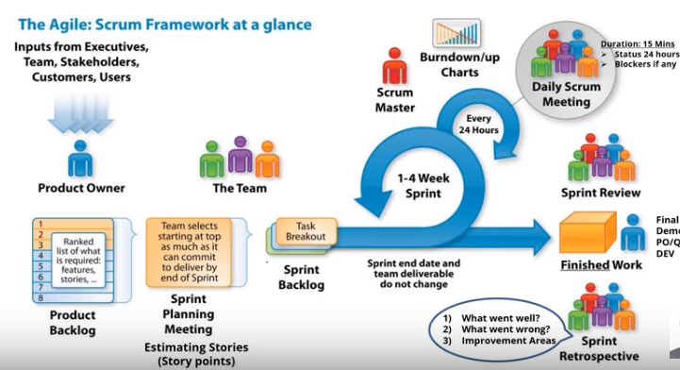
 |  |  | sp1--R1 ,R3
 | 6 mts |  | sp2--R2
 |  |  | …..

Epic | story1 | task1
 | story2 | task2...
 | story3...

5 | 5
8 | 7 | 8
3 | 10
8 | 8

sprint ---
sprint-- R1 , R2, R3 | 2 -3 weeks

1 2 3 5 8 13

